Purenit box
ISOTRA a.s. |  |  |  |  |  |  |  |  |  |  |  |  |  |  |  |  |  | E-mail: objednavky@isotra.cz
Bílovecká 2411/1, 746 01 Opava |  |  |  |  |  |  |  |  |  |  |  |  |  |  |  |  |  | www.isotra.cz
Order form UNDERPLASTER PURENIT BOXES

Order form |  |  |  |  |  |  |  |  |  | Custumer
Order No.: |  |  |  |  |  |  |  |  |  | VAT:

Ordered on: |  |  |  |  |  |  |  |  |  | Invoice address:

Phone:
 |  |  |  |  |  |  |  |  |  | Delivery address:
Dispatch date:

Position | Pieces | Abbreviation 2 | Type BOX | Dimensions (mm) |  |  |  | Dimension B1 | Components |  |  |  |  |  |  | Guide rail axis (mm) | Type of blind holders | Location control
 |  |  |  |  |  |  |  |  | Under-plaster rail | Color of the Underplaster rail | Foundation profile | Color of the Foundation profile | Type brackets | Brackets pc | Mounting pads
 |  |  |  | Dimension A | Dimension B | Dimension C | Dimension D (section length)
1 | 2 | 3 | 4 | 5 | 6 | 7 | 8 | 9 | 10 | 11 | 12 | 13 | 14 | 15 | 16 | 17 | 18 | 19
 |  |  |  |  |  |  |  |  |  |  |  |  |  | 2
 |  |  |  |  |  |  |  |  |  |  |  |  |  | 2
 |  |  |  |  |  |  |  |  |  |  |  |  |  | 2
 |  |  |  |  |  |  |  |  |  |  |  |  |  | 2
 |  |  |  |  |  |  |  |  |  |  |  |  |  | 2
 |  |  |  |  |  |  |  |  |  |  |  |  |  | 2
 |  |  |  |  |  |  |  |  |  |  |  |  |  | 2
 |  |  |  |  |  |  |  |  |  |  |  |  |  | 2
 |  |  |  |  |  |  |  |  |  |  |  |  |  | 2
 |  |  |  |  |  |  |  |  |  |  |  |  |  | 2
 |  |  |  |  |  |  |  |  |  |  |  |  |  | 2
Note:

PB |  | PB-IS |  | PB-L |  | 9) Dimension B1 |  | 10) Under-plaster rail |  |  | 12) Foundation profile |  | Dimensions (mm) |  |  | 17) Guide rail axis
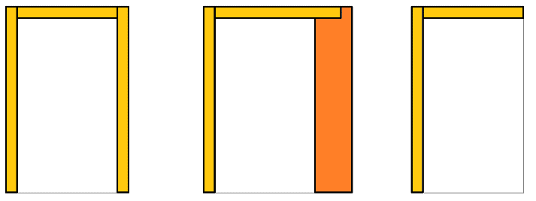

Exterior view!
If you order straight or corner sets please attach a sketch
Boxes longer than 3500 mm are assembled from several pieces.

17) Enter the axis of guiding rail in mm. When you enter value “0” , the groove for guiding rail wil not be milled on the sidewall.
Axis of guiding rail is based on the internal depth of the box, including selected insulation (dimension “B1”) .
Example: internal depth of the box 140mm + insulation, e.g. B1 40mm = 140/2 + 40= 110mm. This value is entered as axis of the guiding rail.

General business terms and Complaint Procedure terms are expressly valid for mutual business between Isotra a.s. and the customer. All terms are available here: |  |  |  |  |  |  |  |  |  |  |  |  |  | http://www.isotra.com/complaint-procedure
Order form is valid from 05.05.2025 until further notice. |  |  |  |  |  |  |  |  |  |  |  |  |  | http://www.isotra.com/general-business-terms

Instruction for box
Order form UNDERPLASTER PURENIT BOXES
Abbreviation | Note
 | If you order Purenit box including under-plaster Purenit lining put in both order form sheets (box and lining) the same position number, e.g. A1. I.e. the groove in Purenit box has the same position as side guide pocket in Purenit lining. In case you order only Purenit box the groove for guiding rail will be in the center of inner space of the box.
 |  |  | PB |  | PB-IS |  | PB-L
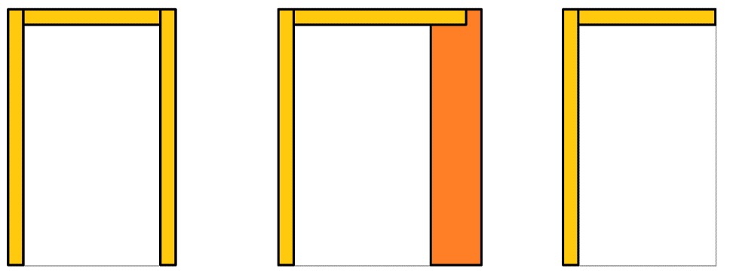

Abbreviation 2
Abbreviation | Name | Note
PUR BOX | Purenit box

Type Box
Abbreviation | Name | Note
ISOTRA PB | Isotra Purenit box | Purenit box without isolation
ISOTRA PB-IS | Isotra Purenit box with isolation | Purenit box with 30mm isolation layer
ISOTRA PB-L | Isotra Purenit box with "L" profile | Purenit box "L"

In-box isolation thickness - dimension "B1"
Abbreviation | Name | Note | Thickness | [mm] | 20 | 30 | 40 | 50 | 60
0 |  | only for type box ISOTRA PB-L | Thermal resistance | Rᴅ[(m².K)/W] | 0.20 | 0.35 | 0.45 | 0.55 | 0.70
15mm |  | only for type box ISOTRA PB | Heat transfer coefficient | Uᴅ[(m².K)/W] | 2.94 | 2.04 | 1.69 | 1.45 | 1.19
30mm |  | only for type box ISOTRA PB-IS | Diffusion resistance | Sᴅ[m] | 0.16 | 0.24 | 0.32 | 0.40 | 0.48
40mm |  | only for type box ISOTRA PB-IS
50mm |  | only for type box ISOTRA PB-IS
60mm |  | only for type box ISOTRA PB-IS

Underplaster rail |  |  | Underplaster rail
Abbreviation | Name | Note
20 | typ 20/3 | H=20mm, J=3mm
25 | typ 25/8 | H=25mm, J=8mm
30 | typ 30/13 | H=30mm, J=13mm
35 | typ 35/18 | H=35mm, J=18mm
40 | typ 40/23 | H=40mm, J=23mm
45 | typ 45/28 | H=45mm, J=28mm

Foundation profile |  |  | Foundation profile
Abbreviation | Name | Note
0-IS | no for box ISOTRA PB-L | only for type box ISOTRA PB-L
15-IS | ISOTRA PB | only for type box ISOTRA PB
30-IS | ISOTRA PB-IS 30 | only for type box ISOTRA PB-IS
40-IS | ISOTRA PB-IS 40 | only for type box ISOTRA PB-IS
50-IS | ISOTRA PB-IS 50 | only for type box ISOTRA PB-IS
60-IS | ISOTRA PB-IS 60 | only for type box ISOTRA PB-IS

Color of the Underplaster rail and Foundation profile
Abbreviation | Name | Note
0 | none
1013 | RAL yellow (oyster white) 1013
1015 | RAL yellow (light ivory) 1015
1019 | RAL yellow (grey yellow) 1019
3004 | RAL red (special for slat 3004)
3005 | RAL red (wine red) 3005
6009 | RAL green (fir green) 6009
7015 | RAL grey (slate grey) 7015
7016 | RAL grey (anthracite grey) 7016
7016M | RAL grey (anthracite) matt 7016
7016S | RAL grey (anthracite grey) 7016 structured
7021 | RAL grey (black grey) 7021
7022 | RAL grey (umbra grey) 7022
7024 | RAL grey (graphite) 7024
7035 | RAL grey (light grey) 7035
7037 | RAL grey (dusty grey) 7037
7038 | RAL grey (agate grey) 7038
7039 | RAL grey (quartz grey) 7039
7040 | RAL grey (window grey) 7040
7044 | RAL grey ( grey silk ) 7044
7048 | RAL grey (pearl grey) 7048
8012 | RAL brown (red brown) 8012
8014 | RAL brown (sepia brown) 8014
8014M | RAL brown (sepia brown) matt 8014
8014S | RAL brown (sepia brown) 8015 structured
8019 | RAL brown (grey brown) 8019
9003RAL | RAL white ( white signal ) 9003
9004 | RAL black (signal black) 9004
9005 | RAL black (jet black) 9005
9005M | RAL black (jet black) matt 9005
9005S | RAL black (jet black) 9005 structured
9006RAL | RAL grey (grey aluminium) 9006
9006M | RAL grey (grey aluminium) matt 9006
9006S | RAL grey (grey aluminium) 9006 structured
9007 | RAL grey (grey aluminium) 9007
9007M | RAL grey (grey aluminium) matt 9007
9007S | RAL grey (grey aluminium) 9007 structured
9010 | RAL white 9010
9010M | RAL white matt 9010
9010S | RAL white 9010 structured
9016 | RAL white (traffic white) 9016
9016S | RAL white (traffic white) 9016 structured
9016M | RAL white (traffic white) matt 9016
DB702 | RAL grey ( for lamele DB702 )
DB703 | RAL grey (dark pearl) DB 703
YW359F | black metallic
VSR780 | RAL VSR780
X | OTHER COLOUR (check with your Sales Rep.)
ISD110 | Isotra system DECORAL smooth ISD110 | Decoral max. width is 4m.
ISD120 | Isotra system DECORAL smooth ISD120 | Decoral max. width is 4m.
ISD130 | Isotra system DECORAL smooth ISD130 | Decoral max. width is 4m.
ISD140 | Isotra system DECORAL smooth ISD140 | Decoral max. width is 4m.
ISD150 | Isotra system DECORAL smooth ISD150 | Decoral max. width is 4m.
ISD160 | Isotra system DECORAL smooth ISD160 | Decoral max. width is 4m.
ISD210 | Isotra system DECORAL structure ISD210 | Decoral max. width is 4m.
ISD220 | Isotra system DECORAL structure ISD220 | Decoral max. width is 4m.
ISD230 | Isotra system DECORAL structure ISD230 | Decoral max. width is 4m.
ISD310 | Isotra system DECORAL polish ISD310 | Decoral max. width is 4m.
ISD152 | Isotra system DECORAL smooth ISD152 | Decoral max. width is 4m.
ISD154 | Isotra system DECORAL smooth ISD154 | Decoral max. width is 4m.
ISD200 | Isotra system DECORAL structure ISD200 | Decoral max. width is 4m.
ISD212 | Isotra system DECORAL structure ISD212 | Decoral max. width is 4m.
ISD214 | Isotra system DECORAL structure ISD214 | Decoral max. width is 4m.
ISD222 | Isotra system DECORAL structure ISD222 | Decoral max. width is 4m.
ISD500 | Isotra system DECORAL smooth ISD500 | Decoral max. width is 4m.
ISD510 | Isotra system DECORAL smooth ISD510 | Decoral max. width is 4m.
ISD600 | Isotra system DECORAL structure ISD600 | Decoral max. width is 4m.
ISD610 | Isotra system DECORAL structure ISD610 | Decoral max. width is 4m.
ISD620 | Isotra system DECORAL structure ISD620 | Decoral max. width is 4m.
ISD630 | Isotra system DECORAL structure ISD630 | Decoral max. width is 4m.
ISD640 | Isotra system DECORAL structure ISD640 | Decoral max. width is 4m.
ISD700 | Isotra system DECORAL blue bubbles ISD700 | Decoral max. width is 4m.
Xisd | OTHER ISD (check with your Sales Rep.) | Decoral max. width is 4m.

Type brackets |  |  | Number of brackets
Abbreviation | Name | Note | box width to [mm] | Number of brackets [pc]
120 | mounting bracket -short | 120 / 80 | 1199 | 2
220 | mounting bracket -long | 220 / 80 | 1999 | 3
 |  |  | 2799 | 4
Mounting pads |  |  | 3599 | 5
Abbreviation | Name | Note | 4399 | 6
A | yes |  | 5199 | 7
N | no |  | 6000 | 8

Type of blind holders
Abbreviation | Name | Note
0 | without blind holder
P002 | 20 Holder Fe [P002] |  | Mounting bracket - long |  |  |  | Mounting bracket - short
P002/32 | 26 Holder Fe Click [P002/32]
P002/30 | 28 Holder Fe Click [P002/30]
P002/10 | 29 Holder Fe with insulation [P002/10]

Location control
...

