Instructions STS
Order form External Venetian Blinds - Instructions

Product abbreviation 2
Abbreviation | Description | Note
STS | Self-supporting exterior venetian blinds STS, Aluminium

Slat type
Abbreviation | Description | Note
C80 | Cetta 80
C802 | Cetta 80, perpendicular bottom rail
C65 | Cetta 65
C652 | Cetta 65, perpendicular bottom rail
Z90 | Zetta 90
Z902 | Zetta 90, perpendicular bottom rail
Z70 | Zetta 70
Z702 | Zetta 70, perpendicular bottom rail
S90 | Setta 90
S902 | Setta 90, perpendicular bottom rail
S65 | Setta 65,
S652 | Setta 65, perpendicular bottom rail
C80F | Cetta 80 Flexi
C80F2 | Cetta 80 Flexi, perpendicular bottom rail
C60F | Cetta 60 Flexi
C60F2 | Cetta 60 Flexi, perpendicular bottom rail
C100F | Cetta 100 Flexi
C100F2 | Cetta 100 Flexi, perpendicular bottom rail

Slat color
Abbreviation | Description | Note
1015 | Light ivory
1019 | Grey beige
7016S | Anthracite grey structure
7016 | Anthracite grey
7022 | Umbragrey
7035 | Light grey
7038 | Achate grey
7039 | Grey
7048 | Pearl mouse grey
8014 | Sepia brown
8019 | Grey brown
9005 | Jet black
9006S | White aluminium structure
9006 | White aluminium
9007 | Grey aluminium
9010 | Pure white
9016 | Traffic white
VSR 780 | Bronze
YW359F | Black metallic
3004 | Purple red | Check with Sales Rep. - different delivery time
7021 | Grey black | Check with Sales Rep. - different delivery time
DB 702 | Pearl light grey | Check with Sales Rep. - different delivery time
DB 703 | Pearl dark grey | Check with Sales Rep. - different delivery time
W210 | Golden Oak | Check with Sales Rep. - different delivery time
X | Other | Check with Sales Rep. - different delivery time

Ladder cord
Abbreviation | Description | Note
BDUOSLIM | CENTR SLIM DUO VLOŽKY,BLACK | punching in slat axis + insert | BDUOSLIM - CENTR SLIM DUO VLOŽKY,BLACK | BDUO - CENTR,DUO,BLACK | BLTSLIMST - EXCENTR SLIM STANDARD,LT,BLACK
DUOSLIM | CENTR SLIM DUO VLOŽKY,GREY | punching in slat axis + insert | DUOSLIM - CENTR SLIM DUO VLOŽKY,GREY | DUO - CENTR,DUO,GREY | 0LTSLIMST - EXCENTR SLIM STANDARD,LT,GREY
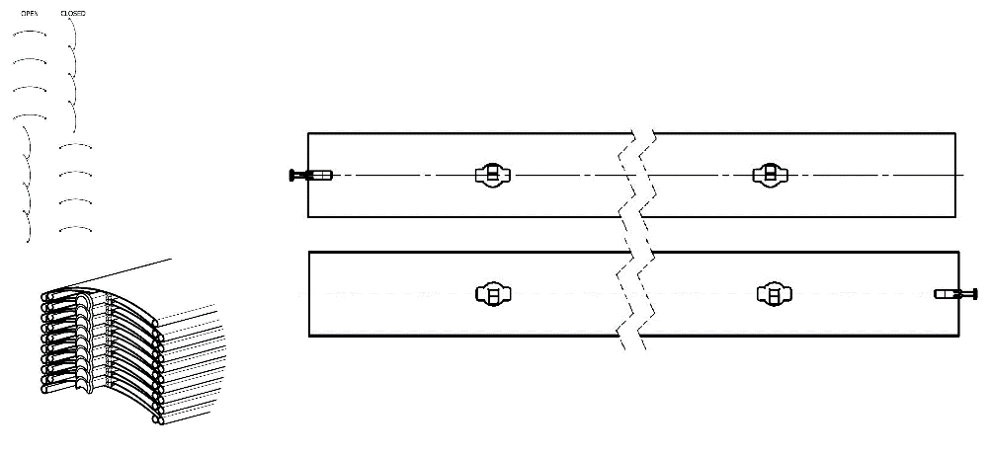
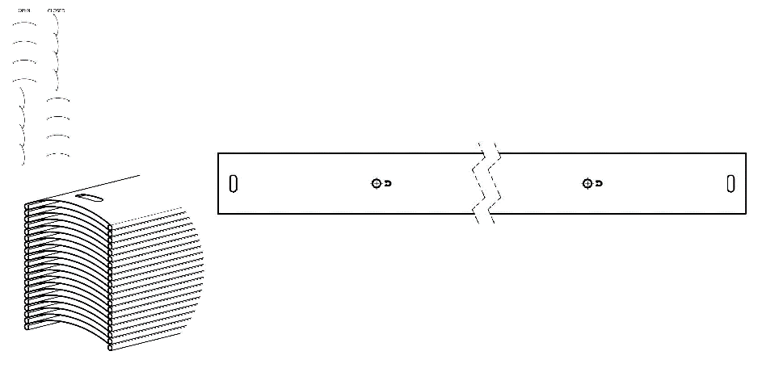
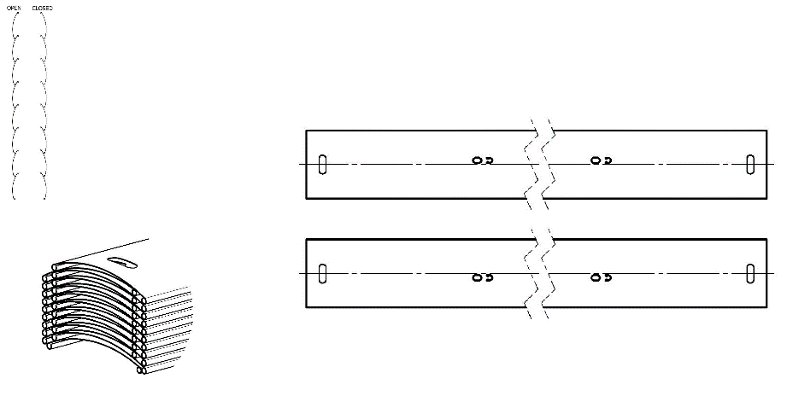
BSLIM | CENTR SLIM VLOŽKY,BLACK | punching in slat axis + insert
SLIM | CENTR SLIM VLOŽKY,GREY | punching in slat axis + insert
BLTSLIM | CENTR SLIM VLOŽKY,LT,BLACK | punching in slat axis + insert
0LTSLIM | CENTR SLIM VLOŽKY,LT,GREY | punching in slat axis + insert
BST | CENTR,BLACK | punching in slat axis
BDUO | CENTR,DUO,BLACK | punching in slat axis
DUO | CENTR,DUO,GREY | punching in slat axis
ST | CENTR,GREY | punching in slat axis
BLT | CENTR,LT,BLACK | punching in slat axis
0LT | CENTR,LT,GREY | punching in slat axis
BDUOSLIMST | EXCENTR SLIM DUO STANDARD,BLACK | punching out of slat axis, for Cetta 80 only
DUOSLIMST | EXCENTR SLIM DUO STANDARD,GREY | punching out of slat axis, for Cetta 80 only
BSLIMST | EXCENTR SLIM STANDARD,BLACK | punching out of slat axis, for Cetta 80 only
SLIMST | EXCENTR SLIM STANDARD,GREY | punching out of slat axis, for Cetta 80 only
BLTSLIMST | EXCENTR SLIM STANDARD,LT,BLACK | punching out of slat axis, for Cetta 80 only | BSLIM - CENTR SLIM VLOŽKY,BLACK | BLT - CENTR,LT,BLACK | BSLIMST - EXCENTR SLIM STANDARD,BLACK
0LTSLIMST | EXCENTR SLIM STANDARD,LT,GREY | punching out of slat axis, for Cetta 80 only | SLIM - CENTR SLIM VLOŽKY,GERY | 0LT - CENTR,LT,GREY | SLIMST - EXCENTR SLIM STANDARD,GREY
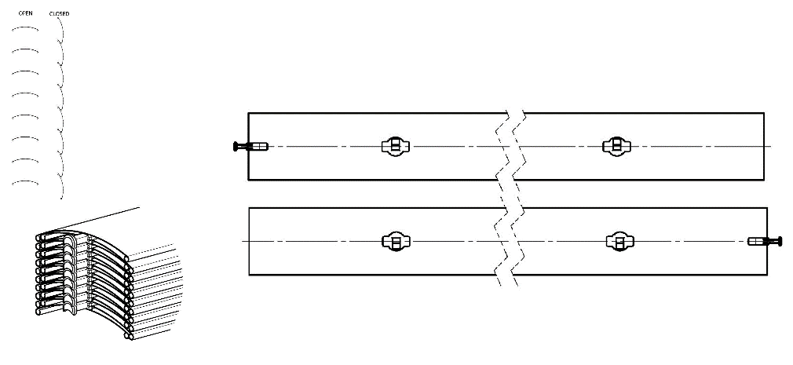
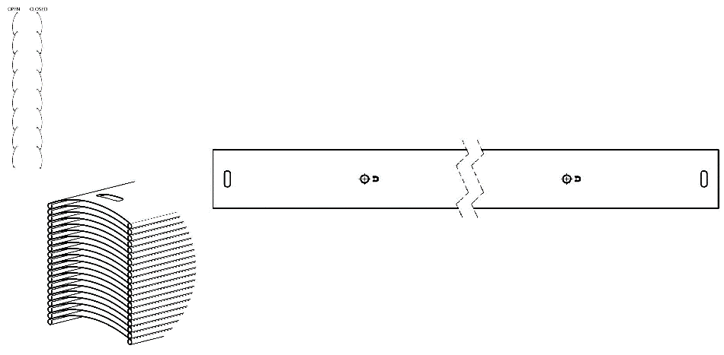
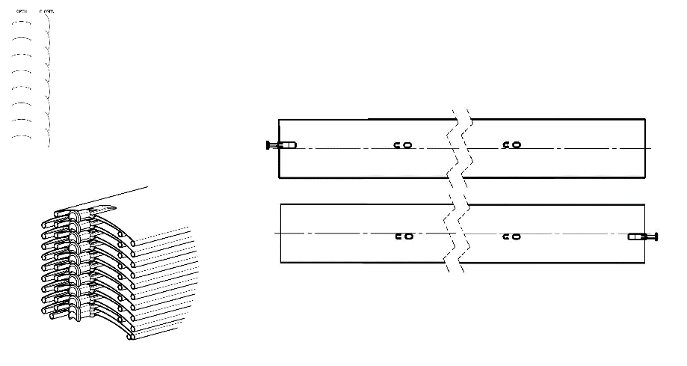
Order of connected blinds
Abbreviation | Description | Note
0 | 1/1 single blind
1/2 | the first blind of two
2/2 | the second blind of two

Control position
Abbreviation | Description | Note
S | center
L | left
P | right
0 | without (for connected blinds)
 |  |  | BST - CENTR,BLACK | BDUOSLIMST - EXCENTR SLIM DUO STANDARD,BLACK
Control type |  |  | ST - CENTR,GREY | DUOSLIMST - EXCENTR SLIM DUO STANDARD,GREY
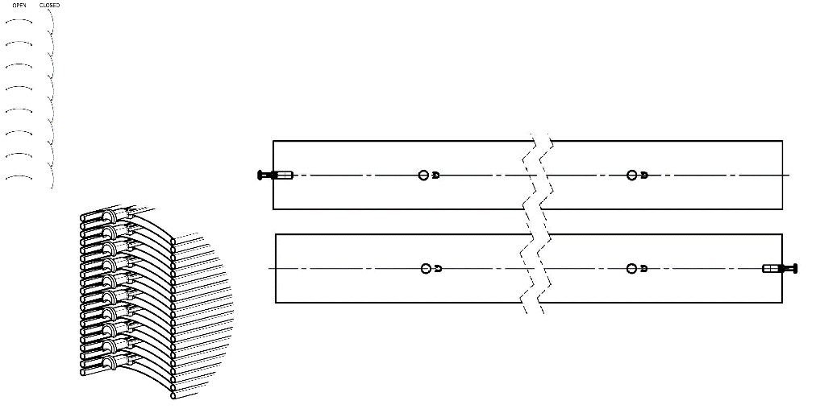
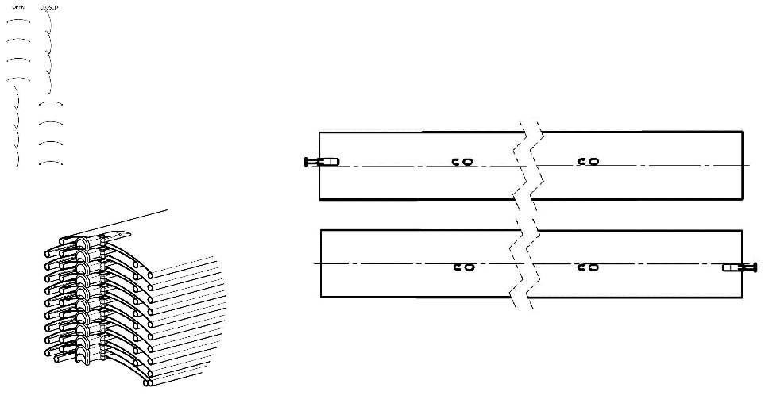
Abbreviation | Description | Note
G | motor Geiger (automatically)
S | motor Somfy WT (automatically)
S2 | motor Somfy iO (automatically)
S3 | motor Somfy WT protect (automatically)
GAIR | MOTOR Geiger AIR (automatically)
M6 | MOTOR Somfy WT 6 Nm up to 10 m2
M10 | MOTOR Somfy WT 10 Nm up to 16 m2
G3 | MOTOR Geiger 3 Nm up to 7 m2
G6 | MOTOR Geiger 6 Nm up to 13 m2
G10 | MOTOR Geiger 10 Nm up to 21 m2
G6AIR | MOTOR Geiger AIR 6 Nm up to 7m2
G10AIR | MOTOR Geiger AIR 10 Nm up to 13m2
G20AIR | MOTOR Geiger AIR 20 Nm up to 21m2
IO6/J4S | MOTOR Somfy J4S IO PROTECT 6 Nm up to 10 m2
IO10/J4S | MOTOR Somfy J4S IO PROTECT 10 Nm up to 16 m2
A6 | MOTOR Isotra Basic 6 Nm up to 10m2
A10 | MOTOR Isotra Basic 10 Nm up to 16m2
A6r | MOTOR Isotra Basic 6Nm<10m2 with receiver
A10r | MOTOR Isotra Basic 10Nm<16m2 with receiver
E6 | MOTOR Elero 6 Nm up to 10m2
E9 | MOTOR Elero 9 Nm up to 16m2
EAKKU04 | MOTOR Elero AKKU Notraff 4Nm<8m2 (12V)
EAKKU10 | MOTOR Elero AKKU Notraff 10Nm<16m2 (12V)
ESOL | MOTOR Elero AKKU Solar 4Nm<8m2 (12V)
ENHK_L | MOTOR Elero NHK-left 9 Nm up to 9m2
ENHK_P | MOTOR Elero NHK-right 9 Nm up to 9m2
J6 | MOTOR Somfy HTM 6 Nm up to 10m2
J10 | MOTOR Somfy HTM 10 Nm up to 16m2
M6 | MOTOR Somfy WT 6 Nm up to 10m2
M10 | MOTOR Somfy WT 10 Nm up to 16m2
M6P | MOTOR Somfy WT Protect 6 Nm up to 10m2
M10P | MOTOR Somfy WT Protect 10 Nm up to 16m2
0M | without motor, but at extra cost

Head-rail material
Abbreviation | Description | Note
Al | Aluminium profile 58x60mm

Head-rail color
Abbreviation | Description | Note
0 | none
1013 | RAL yellow (oyster white) 1013
1015 | RAL yellow (light ivory) 1015
1019 | RAL yellow (grey yellow) 1019
3004 | RAL red (special for slat 3004)
3005 | RAL red (wine red) 3005
6009 | RAL green (fir green) 6009
7015 | RAL grey (slate grey) 7015
7016 | RAL grey (anthracite grey) 7016
7016M | RAL grey (anthracite) matt 7016
7016S | RAL grey (anthracite grey) 7016 structured
7021 | RAL grey (black grey) 7021
7022 | RAL grey (umbra grey) 7022
7024 | RAL grey (graphite) 7024
7035 | RAL grey (light grey) 7035
7037 | RAL grey (dusty grey) 7037
7038 | RAL grey (agate grey) 7038
7039 | RAL grey (quartz grey) 7039
7040 | RAL grey (window grey) 7040
7044 | RAL grey ( grey silk ) 7044
7048 | RAL grey (pearl grey) 7048
8012 | RAL brown (red brown) 8012
8014 | RAL brown (sepia brown) 8014
8014M | RAL brown (sepia brown) matt 8014
8014S | RAL brown (sepia brown) 8015 structured
8019 | RAL brown (grey brown) 8019
9003RAL | RAL white ( white signal ) 9003
9004 | RAL black (signal black) 9004
9005 | RAL black (jet black) 9005
9005M | RAL black (jet black) matt 9005
9005S | RAL black (jet black) 9005 structured
9006RAL | RAL grey (grey aluminium) 9006
9006M | RAL grey (grey aluminium) matt 9006
9006S | RAL grey (grey aluminium) 9006 structured
9007 | RAL grey (grey aluminium) 9007
9007M | RAL grey (grey aluminium) matt 9007
9007S | RAL grey (grey aluminium) 9007 structured
9010 | RAL white 9010
9010M | RAL white matt 9010
9010S | RAL white 9010 structured
9016 | RAL white (traffic white) 9016
9016S | RAL white (traffic white) 9016 structured
9016M | RAL white (traffic white) matt 9016
DB702 | RAL grey ( for lamele DB702 )
DB703 | RAL grey (dark pearl) DB 703
YW359F | black metallic
VSR780 | RAL VSR780
X | OTHER COLOUR (check with your Sales Rep.)
ISD110 | Isotra system DECORAL smooth ISD110 | Decoral max. width is 4m.
ISD120 | Isotra system DECORAL smooth ISD120 | Decoral max. width is 4m.
ISD130 | Isotra system DECORAL smooth ISD130 | Decoral max. width is 4m.
ISD140 | Isotra system DECORAL smooth ISD140 | Decoral max. width is 4m.
ISD150 | Isotra system DECORAL smooth ISD150 | Decoral max. width is 4m.
ISD160 | Isotra system DECORAL smooth ISD160 | Decoral max. width is 4m.
ISD210 | Isotra system DECORAL structure ISD210 | Decoral max. width is 4m.
ISD220 | Isotra system DECORAL structure ISD220 | Decoral max. width is 4m.
ISD230 | Isotra system DECORAL structure ISD230 | Decoral max. width is 4m.
ISD310 | Isotra system DECORAL polish ISD310 | Decoral max. width is 4m.
ISD152 | Isotra system DECORAL smooth ISD152 | Decoral max. width is 4m.
ISD154 | Isotra system DECORAL smooth ISD154 | Decoral max. width is 4m.
ISD200 | Isotra system DECORAL structure ISD200 | Decoral max. width is 4m.
ISD212 | Isotra system DECORAL structure ISD212 | Decoral max. width is 4m.
ISD214 | Isotra system DECORAL structure ISD214 | Decoral max. width is 4m.
ISD222 | Isotra system DECORAL structure ISD222 | Decoral max. width is 4m.
ISD500 | Isotra system DECORAL smooth ISD500 | Decoral max. width is 4m.
ISD510 | Isotra system DECORAL smooth ISD510 | Decoral max. width is 4m.
ISD600 | Isotra system DECORAL structure ISD600 | Decoral max. width is 4m.
ISD610 | Isotra system DECORAL structure ISD610 | Decoral max. width is 4m.
ISD620 | Isotra system DECORAL structure ISD620 | Decoral max. width is 4m.
ISD630 | Isotra system DECORAL structure ISD630 | Decoral max. width is 4m.
ISD640 | Isotra system DECORAL structure ISD640 | Decoral max. width is 4m.
ISD700 | Isotra system DECORAL blue bubbles ISD700 | Decoral max. width is 4m.
Xisd | OTHER ISD (check with your Sales Rep.) | Decoral max. width is 4m.

Bottom-rail color
Abbreviation | Description | Note
E | elox | standard
1013 | RAL yellow (oyster white) 1013
1015 | RAL yellow (light ivory) 1015
1019 | RAL yellow (grey yellow) 1019
3004 | RAL red (special for slat 3004)
3005 | RAL red (wine red) 3005
6009 | RAL green (fir green) 6009
7015 | RAL grey (slate grey) 7015
7016 | RAL grey (anthracite grey) 7016
7016M | RAL grey (anthracite) matt 7016
7016S | RAL grey (anthracite grey) 7016 structured
7021 | RAL grey (black grey) 7021
7022 | RAL grey (umbra grey) 7022
7024 | RAL grey (graphite) 7024
7035 | RAL grey (light grey) 7035
7037 | RAL grey (dusty grey) 7037
7038 | RAL grey (agate grey) 7038
7039 | RAL grey (quartz grey) 7039
7040 | RAL grey (window grey) 7040
7044 | RAL grey ( grey silk ) 7044
7048 | RAL grey (pearl grey) 7048
8012 | RAL brown (red brown) 8012
8014 | RAL brown (sepia brown) 8014
8014M | RAL brown (sepia brown) matt 8014
8014S | RAL brown (sepia brown) 8015 structured
8019 | RAL brown (grey brown) 8019
9003RAL | RAL white ( white signal ) 9003
9004 | RAL black (signal black) 9004
9005 | RAL black (jet black) 9005
9005M | RAL black (jet black) matt 9005
9005S | RAL black (jet black) 9005 structured
9006RAL | RAL grey (grey aluminium) 9006
9006M | RAL grey (grey aluminium) matt 9006
9006S | RAL grey (grey aluminium) 9006 structured
9007 | RAL grey (grey aluminium) 9007
9007M | RAL grey (grey aluminium) matt 9007
9007S | RAL grey (grey aluminium) 9007 structured
9010 | RAL white 9010
9010M | RAL white matt 9010
9010S | RAL white 9010 structured
9016 | RAL white (traffic white) 9016
9016S | RAL white (traffic white) 9016 structured
9016M | RAL white (traffic white) matt 9016
DB702 | RAL grey ( for lamele DB702 )
DB703 | RAL grey (dark pearl) DB 703
YW359F | black metallic
VSR780 | RAL VSR780
X | OTHER COLOUR (check with your Sales Rep.)
ISD110 | Isotra system DECORAL smooth ISD110 | Decoral max. width is 4m.
ISD120 | Isotra system DECORAL smooth ISD120 | Decoral max. width is 4m.
ISD130 | Isotra system DECORAL smooth ISD130 | Decoral max. width is 4m.
ISD140 | Isotra system DECORAL smooth ISD140 | Decoral max. width is 4m.
ISD150 | Isotra system DECORAL smooth ISD150 | Decoral max. width is 4m.
ISD160 | Isotra system DECORAL smooth ISD160 | Decoral max. width is 4m.
ISD210 | Isotra system DECORAL structure ISD210 | Decoral max. width is 4m.
ISD220 | Isotra system DECORAL structure ISD220 | Decoral max. width is 4m.
ISD230 | Isotra system DECORAL structure ISD230 | Decoral max. width is 4m.
ISD310 | Isotra system DECORAL polish ISD310 | Decoral max. width is 4m.
ISD152 | Isotra system DECORAL smooth ISD152 | Decoral max. width is 4m.
ISD154 | Isotra system DECORAL smooth ISD154 | Decoral max. width is 4m.
ISD200 | Isotra system DECORAL structure ISD200 | Decoral max. width is 4m.
ISD212 | Isotra system DECORAL structure ISD212 | Decoral max. width is 4m.
ISD214 | Isotra system DECORAL structure ISD214 | Decoral max. width is 4m.
ISD222 | Isotra system DECORAL structure ISD222 | Decoral max. width is 4m.
ISD500 | Isotra system DECORAL smooth ISD500 | Decoral max. width is 4m.
ISD510 | Isotra system DECORAL smooth ISD510 | Decoral max. width is 4m.
ISD600 | Isotra system DECORAL structure ISD600 | Decoral max. width is 4m.
ISD610 | Isotra system DECORAL structure ISD610 | Decoral max. width is 4m.
ISD620 | Isotra system DECORAL structure ISD620 | Decoral max. width is 4m.
ISD630 | Isotra system DECORAL structure ISD630 | Decoral max. width is 4m.
ISD640 | Isotra system DECORAL structure ISD640 | Decoral max. width is 4m.
ISD700 | Isotra system DECORAL blue bubbles ISD700 | Decoral max. width is 4m.
Xisd | OTHER ISD (check with your Sales Rep.) | Decoral max. width is 4m.

Guiding type
Abbreviation | Description | Note
VL | 1. plastic guiding pins
VK | 2. metal guiding pins

Guiding left/right
Abbreviation | Description | Note
1D | Guiding rail STS P016/1 (-25)
1Dvr | Guiding rail STS P016/1 drilled (-25) | without blind bracket
1DD | Guiding rail STS double P016/2 (-25)
1D3G | LV STS P016/3 + insert grey (-25)
1D3B | LV STS P016/3 + insert black (-25)
1D3Gvr | LV STS P016/3 drilled + insert grey (-25) | without blind bracket
1D3Bvr | LV STS P016/3 drilled + insert black (-25) | without blind bracket
0 | none (-25) | without blind bracket

Guiding color left/right
Abbreviation | Description | Note
E | elox | variant is not possible for VL double P016/2
1013 | RAL yellow (oyster white) 1013
1015 | RAL yellow (light ivory) 1015
1019 | RAL yellow (grey yellow) 1019
3004 | RAL red (special for slat 3004)
3005 | RAL red (wine red) 3005
6009 | RAL green (fir green) 6009
7015 | RAL grey (slate grey) 7015
7016 | RAL grey (anthracite grey) 7016
7016M | RAL grey (anthracite) matt 7016
7016S | RAL grey (anthracite grey) 7016 structured
7021 | RAL grey (black grey) 7021
7022 | RAL grey (umbra grey) 7022
7024 | RAL grey (graphite) 7024
7035 | RAL grey (light grey) 7035
7037 | RAL grey (dusty grey) 7037
7038 | RAL grey (agate grey) 7038
7039 | RAL grey (quartz grey) 7039
7040 | RAL grey (window grey) 7040
7044 | RAL grey ( grey silk ) 7044
7048 | RAL grey (pearl grey) 7048
8012 | RAL brown (red brown) 8012
8014 | RAL brown (sepia brown) 8014
8014M | RAL brown (sepia brown) matt 8014
8014S | RAL brown (sepia brown) 8015 structured
8019 | RAL brown (grey brown) 8019
9003RAL | RAL white ( white signal ) 9003
9004 | RAL black (signal black) 9004
9005 | RAL black (jet black) 9005
9005M | RAL black (jet black) matt 9005
9005S | RAL black (jet black) 9005 structured
9006RAL | RAL grey (grey aluminium) 9006
9006M | RAL grey (grey aluminium) matt 9006
9006S | RAL grey (grey aluminium) 9006 structured
9007 | RAL grey (grey aluminium) 9007
9007M | RAL grey (grey aluminium) matt 9007
9007S | RAL grey (grey aluminium) 9007 structured
9010 | RAL white 9010
9010M | RAL white matt 9010
9010S | RAL white 9010 structured
9016 | RAL white (traffic white) 9016
9016S | RAL white (traffic white) 9016 structured
9016M | RAL white (traffic white) matt 9016
DB702 | RAL grey ( for lamele DB702 )
DB703 | RAL grey (dark pearl) DB 703
YW359F | black metallic
VSR780 | RAL VSR780
X | OTHER COLOUR (check with your Sales Rep.)
ISD110 | Isotra system DECORAL smooth ISD110 | Decoral max. width is 4m.
ISD120 | Isotra system DECORAL smooth ISD120 | Decoral max. width is 4m.
ISD130 | Isotra system DECORAL smooth ISD130 | Decoral max. width is 4m.
ISD140 | Isotra system DECORAL smooth ISD140 | Decoral max. width is 4m.
ISD150 | Isotra system DECORAL smooth ISD150 | Decoral max. width is 4m.
ISD160 | Isotra system DECORAL smooth ISD160 | Decoral max. width is 4m.
ISD210 | Isotra system DECORAL structure ISD210 | Decoral max. width is 4m.
ISD220 | Isotra system DECORAL structure ISD220 | Decoral max. width is 4m.
ISD230 | Isotra system DECORAL structure ISD230 | Decoral max. width is 4m.
ISD310 | Isotra system DECORAL polish ISD310 | Decoral max. width is 4m.
ISD152 | Isotra system DECORAL smooth ISD152 | Decoral max. width is 4m.
ISD154 | Isotra system DECORAL smooth ISD154 | Decoral max. width is 4m.
ISD200 | Isotra system DECORAL structure ISD200 | Decoral max. width is 4m.
ISD212 | Isotra system DECORAL structure ISD212 | Decoral max. width is 4m.
ISD214 | Isotra system DECORAL structure ISD214 | Decoral max. width is 4m.
ISD222 | Isotra system DECORAL structure ISD222 | Decoral max. width is 4m.
ISD500 | Isotra system DECORAL smooth ISD500 | Decoral max. width is 4m.
ISD510 | Isotra system DECORAL smooth ISD510 | Decoral max. width is 4m.
ISD600 | Isotra system DECORAL structure ISD600 | Decoral max. width is 4m.
ISD610 | Isotra system DECORAL structure ISD610 | Decoral max. width is 4m.
ISD620 | Isotra system DECORAL structure ISD620 | Decoral max. width is 4m.
ISD630 | Isotra system DECORAL structure ISD630 | Decoral max. width is 4m.
ISD640 | Isotra system DECORAL structure ISD640 | Decoral max. width is 4m.
ISD700 | Isotra system DECORAL blue bubbles ISD700 | Decoral max. width is 4m.
Xisd | OTHER ISD (check with your Sales Rep.) | Decoral max. width is 4m.
0 | none

Guiding bracket left/right
Abbreviation | Description | Note
P021/5 | 06. GR bracket 056-080mm [P021/5] TEL.STS
P021/6 | 07. GR bracket 081-125mm [P021/6] TEL.STS
P021/17 | 71. Guiding bracket - 80 mm
P021/18 | 72. Guiding bracket - 85 mm
P021/19 | 73. Guiding bracket - 90 mm
P021/20 | 74. Guiding bracket - 95 mm
P021/21 | 75. Guiding bracket - 100 mm
P021/22 | 76. Guiding bracket - 105 mm
P021/23 | 77. Guiding bracket - 110 mm
P021/24 | 78. Guiding bracket - 115 mm
P021/25 | 79. Guiding bracket - 120 mm
P021/26 | 80. Guiding bracket - 125 mm
P021/27 | 81. Guiding bracket - 130 mm
P021/28 | 82. Guiding bracket - 135 mm
P021/29 | 83. Guiding bracket - 140 mm
P021/30 | 84. Guiding bracket - 145 mm
P021/31 | 85. Guiding bracket - 150 mm
P021/32 | 86. Guiding bracket - 155 mm
P021/33 | 87. Guiding bracket - 160 mm
P021/34 | 88. Guiding bracket - 165 mm
P021/35 | 89. Guiding bracket - 170 mm
P021/36 | 90. Guiding bracket - 175 mm
P021/37 | 91. Guiding bracket - 180 mm
P021/38 | 92. Guiding bracket - 185 mm
P021/39 | 93. Guiding bracket - 190 mm
P021/40 | 94. Guiding bracket - 195 mm
P021/41 | 95. Guiding bracket - 200 mm
P021/42 | 96. Guiding bracket - 205 mm
P021/43 | 97. Guiding bracket - 210 mm
P021/44 | 98. Guiding bracket - 215 mm
P021/45 | 99. Guiding bracket - 220 mm
P021/46 | 100. Guiding bracket - 225 mm
P021/47 | 101. Guiding bracket - 230 mm
0 | Without brackets

Guiding bracket color left/right
Abbreviation | Description | Note
E | elox
1013 | RAL yellow (oyster white) 1013
1015 | RAL yellow (light ivory) 1015
1019 | RAL yellow (grey yellow) 1019
3004 | RAL red (special for slat 3004)
3005 | RAL red (wine red) 3005
6009 | RAL green (fir green) 6009
7015 | RAL grey (slate grey) 7015
7016 | RAL grey (anthracite grey) 7016
7016M | RAL grey (anthracite) matt 7016
7016S | RAL grey (anthracite grey) 7016 structured
7021 | RAL grey (black grey) 7021
7022 | RAL grey (umbra grey) 7022
7024 | RAL grey (graphite) 7024
7035 | RAL grey (light grey) 7035
7037 | RAL grey (dusty grey) 7037
7038 | RAL grey (agate grey) 7038
7039 | RAL grey (quartz grey) 7039
7040 | RAL grey (window grey) 7040
7044 | RAL grey ( grey silk ) 7044
7048 | RAL grey (pearl grey) 7048
8012 | RAL brown (red brown) 8012
8014 | RAL brown (sepia brown) 8014
8014M | RAL brown (sepia brown) matt 8014
8014S | RAL brown (sepia brown) 8015 structured
8019 | RAL brown (grey brown) 8019
9003RAL | RAL white ( white signal ) 9003
9004 | RAL black (signal black) 9004
9005 | RAL black (jet black) 9005
9005M | RAL black (jet black) matt 9005
9005S | RAL black (jet black) 9005 structured
9006RAL | RAL grey (grey aluminium) 9006
9006M | RAL grey (grey aluminium) matt 9006
9006S | RAL grey (grey aluminium) 9006 structured
9007 | RAL grey (grey aluminium) 9007
9007M | RAL grey (grey aluminium) matt 9007
9007S | RAL grey (grey aluminium) 9007 structured
9010 | RAL white 9010
9010M | RAL white matt 9010
9010S | RAL white 9010 structured
9016 | RAL white (traffic white) 9016
9016S | RAL white (traffic white) 9016 structured
9016M | RAL white (traffic white) matt 9016
DB702 | RAL grey ( for lamele DB702 )
DB703 | RAL grey (dark pearl) DB 703
YW359F | black metallic
VSR780 | RAL VSR780
X | OTHER COLOUR (check with your Sales Rep.)
ISD110 | Isotra system DECORAL smooth ISD110 | Decoral max. width is 4m.
ISD120 | Isotra system DECORAL smooth ISD120 | Decoral max. width is 4m.
ISD130 | Isotra system DECORAL smooth ISD130 | Decoral max. width is 4m.
ISD140 | Isotra system DECORAL smooth ISD140 | Decoral max. width is 4m.
ISD150 | Isotra system DECORAL smooth ISD150 | Decoral max. width is 4m.
ISD160 | Isotra system DECORAL smooth ISD160 | Decoral max. width is 4m.
ISD210 | Isotra system DECORAL structure ISD210 | Decoral max. width is 4m.
ISD220 | Isotra system DECORAL structure ISD220 | Decoral max. width is 4m.
ISD230 | Isotra system DECORAL structure ISD230 | Decoral max. width is 4m.
ISD310 | Isotra system DECORAL polish ISD310 | Decoral max. width is 4m.
ISD152 | Isotra system DECORAL smooth ISD152 | Decoral max. width is 4m.
ISD154 | Isotra system DECORAL smooth ISD154 | Decoral max. width is 4m.
ISD200 | Isotra system DECORAL structure ISD200 | Decoral max. width is 4m.
ISD212 | Isotra system DECORAL structure ISD212 | Decoral max. width is 4m.
ISD214 | Isotra system DECORAL structure ISD214 | Decoral max. width is 4m.
ISD222 | Isotra system DECORAL structure ISD222 | Decoral max. width is 4m.
ISD500 | Isotra system DECORAL smooth ISD500 | Decoral max. width is 4m.
ISD510 | Isotra system DECORAL smooth ISD510 | Decoral max. width is 4m.
ISD600 | Isotra system DECORAL structure ISD600 | Decoral max. width is 4m.
ISD610 | Isotra system DECORAL structure ISD610 | Decoral max. width is 4m.
ISD620 | Isotra system DECORAL structure ISD620 | Decoral max. width is 4m.
ISD630 | Isotra system DECORAL structure ISD630 | Decoral max. width is 4m.
ISD640 | Isotra system DECORAL structure ISD640 | Decoral max. width is 4m.
ISD700 | Isotra system DECORAL blue bubbles ISD700 | Decoral max. width is 4m.
Xisd | OTHER ISD (check with your Sales Rep.) | Decoral max. width is 4m.
0 | none

Blind bracket type
Abbreviation | Description | Note
P002/62 | Hanger Al + Angle 110x107mm for STS [P002/62]
P002/63 | Hanger Al + Angle 110x161mm for STS [P002/63]
P002/64 | Hanger Al + Angle 110x215mm for STS [P002/64]
P002/65 | Hanger Al + Angle 110x269mm for STS [P002/65]
P002/66 | Hanger Al + Angle 110x323mm for STS [P002/66]
P002/67 | Hanger Al + Angle 110x377mm for STS [P002/67]
P002/68 | Hanger Al + Angle 110x431mm for STS [P002/68]
P002/69 | Hanger Al + Angle 167x107mm for STS [P002/69]
P002/70 | Hanger Al + Angle 167x161mm for STS [P002/70]
P002/71 | Hanger Al + Angle 167x215mm for STS [P002/71]
P002/72 | Hanger Al + Angle 167x269mm for STS [P002/72]
P002/73 | Hanger Al + Angle 167x323mm for STS [P002/73]
P002/74 | Hanger Al + Angle 167x377mm for STS [P002/74]
P002/75 | Hanger Al + Angle 167x431mm for STS [P002/75]
0 | none

Packing
Abbreviation | Description | Note
fb | Foil
k | Cardboard
kv | Cardboard with reinforcement
fbk | Foil and cardboard
fbkv | Foil and cardboard with reinforcement

Valid from 01.10.2025.

